Sheet1
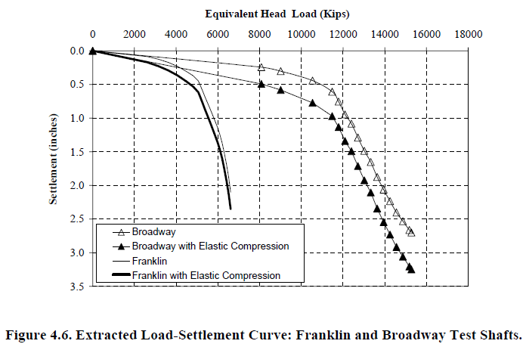
Load, Kips | Settlement, in.
0 | 0
652 | 0.0446
1305 | 0.0892
1776 | 0.1227
2283 | 0.1561
2827 | 0.2008
3298 | 0.2568
3697 | 0.3128
4060 | 0.3688
4459 | 0.4586
5004 | 0.5933
5332 | 0.8070
5552 | 0.9981
5844 | 1.2230
6063 | 1.4142
6210 | 1.5829
6356 | 1.7742
6430 | 1.9204
6505 | 2.1004
6652 | 2.3479

